Instructions
 | https://github.com/carruthe/AppleCashImport

1) Download your PDF statement from the Wallet App
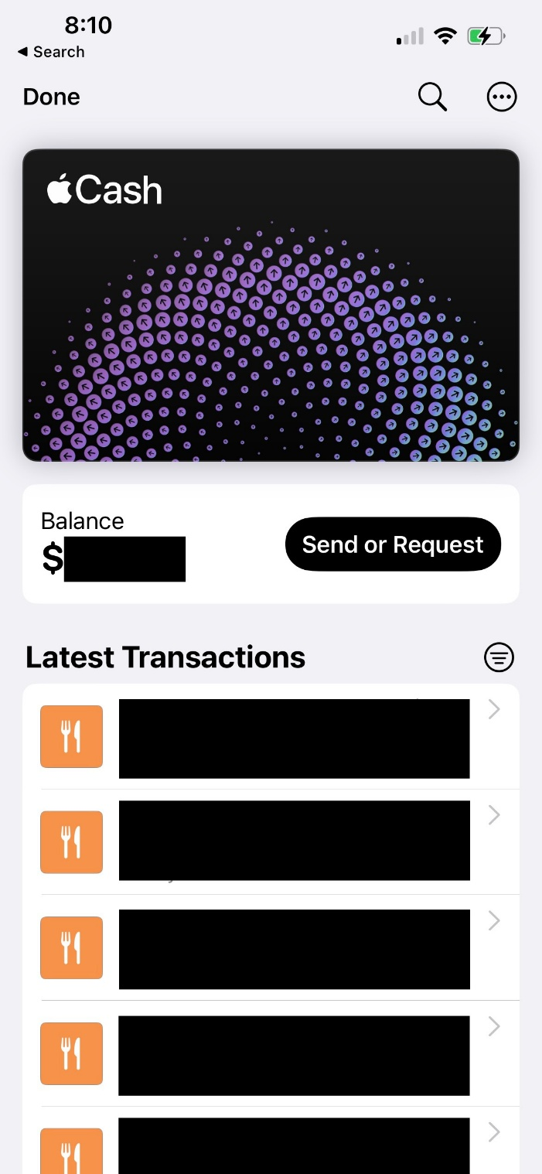
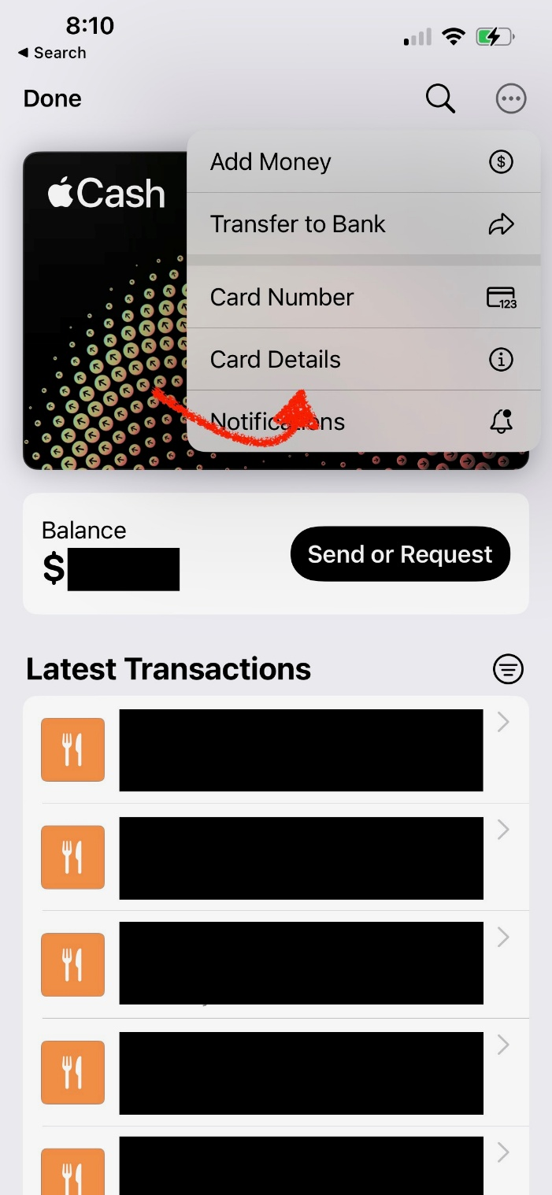
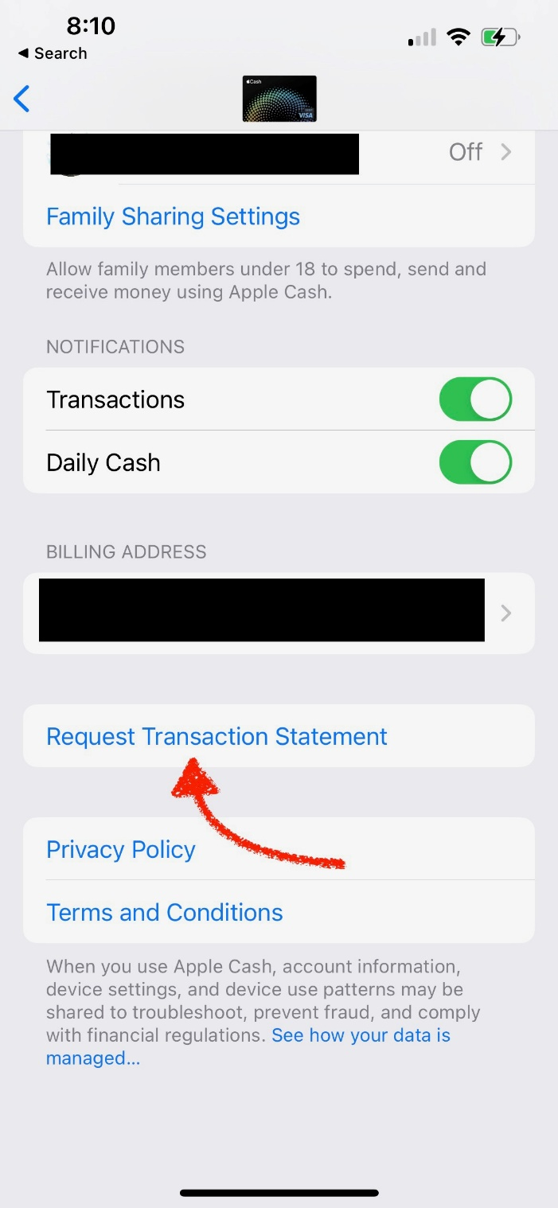
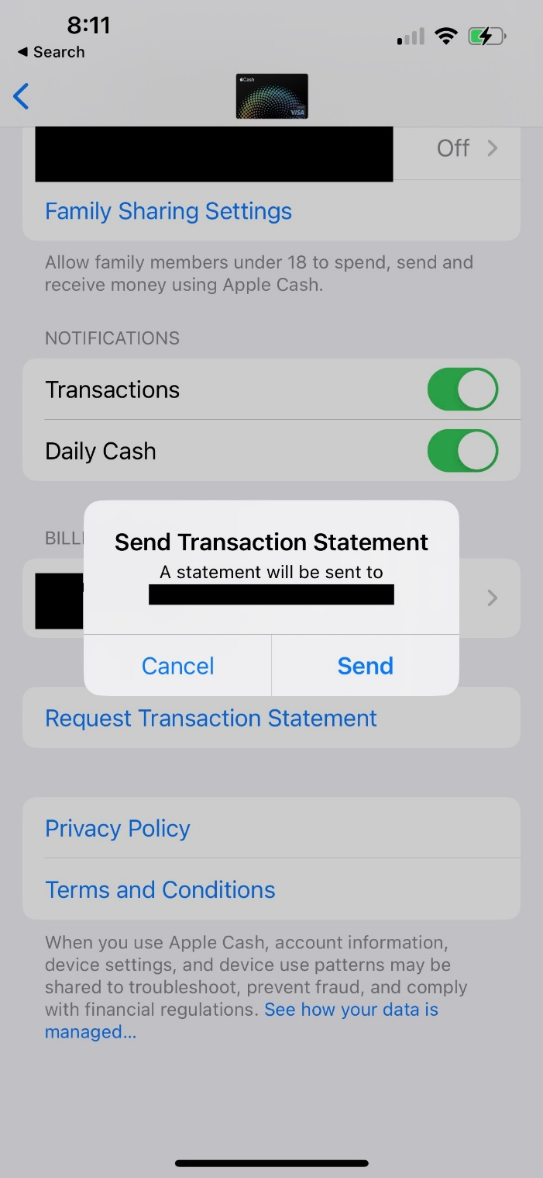

2) Find the e-mail that Apple sends to you and save the PDF to your hard drive.
3) Go to the "Parameters" worksheet in the file and enter the full path to the PDF you saved on your hard drive.
4) Go to the "Apple Cash in CSV Format" worksheet in this file, right click anywhere in the table and select "Refresh"
5) Export the resulting table as a CSV file.
6) Import the resulting CSV into your financial software of choice (I use Quicken for Mac)

Notes:
This works as of 2/12/2023 on Apple Cash statement generated for an account in the United States.
This is fully unsupported by Apple and/or Goldman Sachs. If they change their PDF format in any substantive way, it will break this.
I take no responsibility for any data loss.
This file intentionally has NO MACROS in an effort to avoid any concerns of data theft/malware/etc.
Do not taunt this spreadsheet.

